Introduction
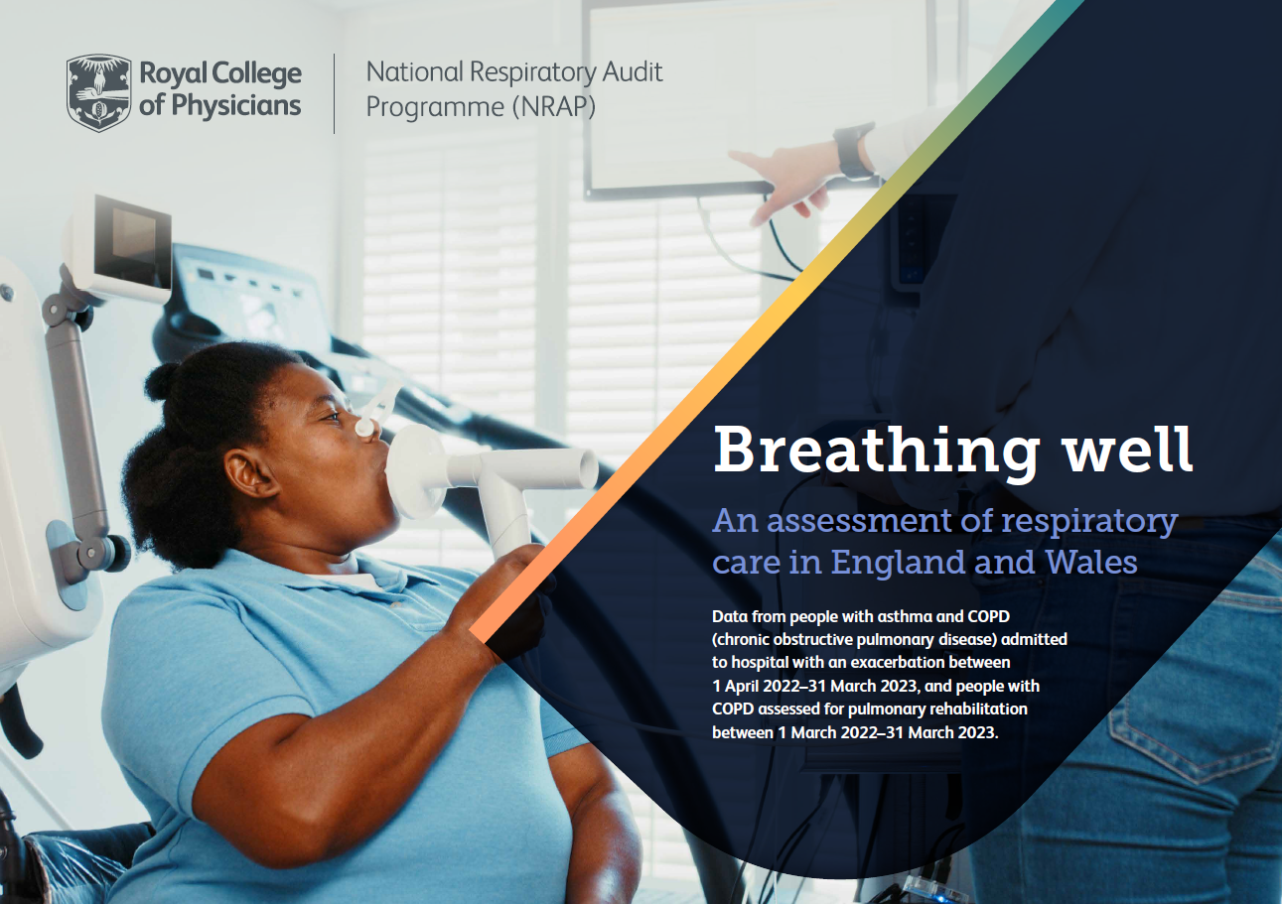
National Respiratory Audit Programme (NRAP)
Children and young people asthma (ages 6+) clinical audit: Full data file
Data are presented according to the index below. Rows 4-6 of each tab present data at national levels, followed by individual service level results organised by region, then alphabetically by Integrated Care System (ICS) and NHS Trust/Local Health Board.
Tab 1: Introduction
Tab 2: Demographics
Tab 3: Arrival and admssion
Tab 4: Diagnosis & treatment
Tab 5: Smoking
Tab 6: Discharge
Tab 7: Case ascertainment (combined 1-5 and 6+ data)
Tab 8: KPIs (combined 1-5 and 6+)
Tab 9: KPI rationale

