Introduction
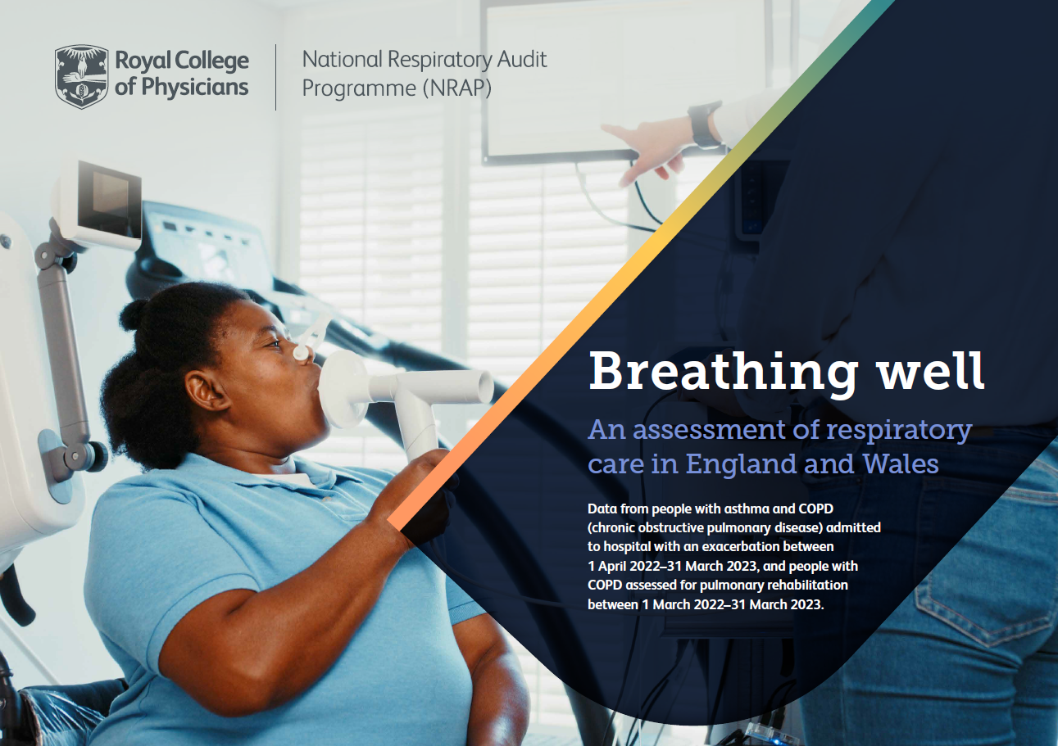
National Respiratory Audit Programme (NRAP)
Pulmonary rehabilitation clinical audit: Full data file
Data are presented according to the index below. Rows 4-6 of each tab present data at national levels, followed by individual service level results organised by region, then alphabetically by Integrated Care System (ICS) and NHS Trust/Local Health Board.
Please note this version was published in August 2024 to correct an error in the following column headers in the Discharge tab:
Column K changed from Total number of patients with no discharge assessment due to drop for health reasons to – Total number of patients with no discharge assessment due to drop out for patient choice.
Column M changed from Total number of patients with no discharge assessment due to patient choice to – Total number of patients completing a discharge assessment.
Column N changed from Percentage of patients with no discharge assessment due to patient choice to – Percentage of patients completing a discharge assessment.
Tab 1: Introduction
Tab 2: Demographics
Tab 3: Referral
Tab 4: Assessment
Tab 5: Location
Tab 6: Discharge
Tab 7: Case ascertainment
Tab 8: KPIs
Tab 9: KPI rationale
Tab 10: Notes

