Introduction
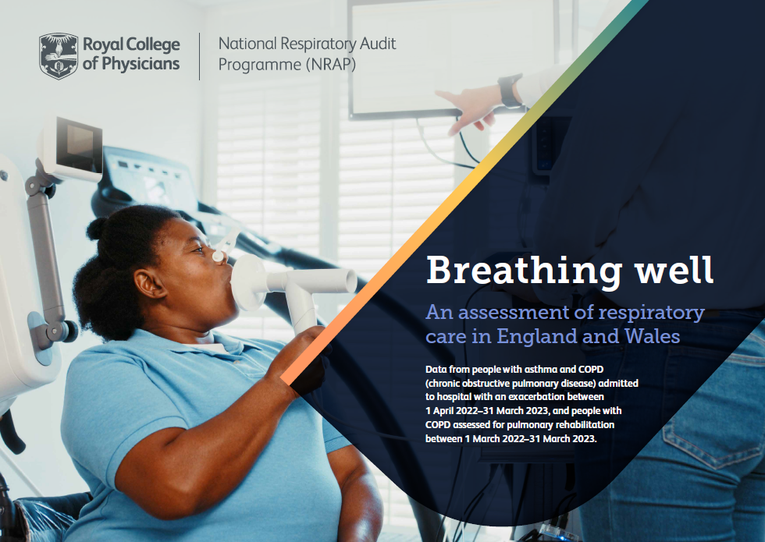
National Respiratory Audit Programme (NRAP)
Case ascertainment data
Data are presented according to the index below. Each tab present data at individual service level results organised by region, then alphabetically by Integrated Care System (ICS) and NHS Trust/Local Health Board.
Tab 1: Introduction
Tab 2: COPD
Tab 3: Children and young people asthma
Tab 4: Adult Asthma
Tab 5: Pulmonary rehabilitation
Methodology
Case ascertainment calculations are based on the number of records entered into the secondary care audits (COPD, adult asthma, CYP asthma) compared to national hospital asthma and COPD exacerbation data obtained from Hospital Episode Statistics (HES) Admitted Patient Care (APC) (England) and Digital Health Care Wales (DHCW) Patient Episode Database (PEDW) (Wales) datasets. Data is requested at the hospital level for the entire audit period. HES patient record numbers are rounded to the nearest 5 records unless they are between 1 and 7 in total, in which case they are replaced with an asterisk.
Hospitals who submitted at least 1 record during the audit period are included in the calculations. Hospitals who have submitted 0 records are excluded and are presented as non-participants for the report (Registered – No data submitted; Not registered). Case ascertainment for each hospital is calculated by dividing the number of (cleaned) submitted audit records in the audit period by the number of records present in HES over the same time period to give a proportion. For CYP asthma it is not possible to determine in HES data whether a patient was seen in a paediatric ward or adult ward, and therefore case ascertainment is only calculated for patients up to the age of 16.

