HD LHB
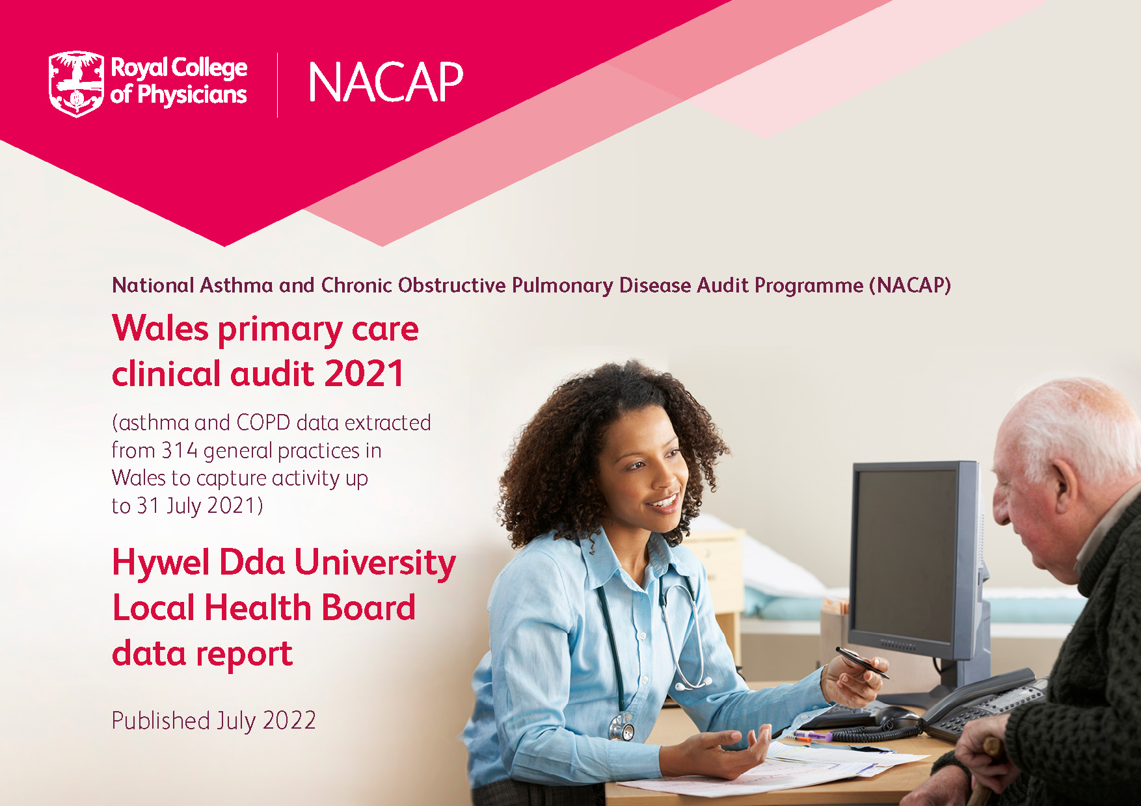

Introduction
This report presents national and local health board results from an analysis of asthma and chronic obstructive pulmonary disease (COPD) primary care data in Wales from the third round of the Welsh primary care audit component of the National Asthma and COPD Audit Programme (NACAP). Data were extracted from 314 (80%) general practices in Wales in October 2021 to capture activity up to 31 July 2021.

The data are presented largely in tabular form with explanatory notes where appropriate. Where the sample size was too small for meaningful interpretation or have been removed for disclosure reasons* these results has been replaced with a '*' and '-'. Although these data are available to the interested reader, it is not necessary to review them to appreciate the key messages, which can be found in the clinical audit report (via www.rcp.ac.uk/pc2021).

The results are presented in sections as listed below:
Participation: Cluster and practice participation
Section 1: Demographics and multiple conditions (comorbidities)
Section 2: Getting the diagnosis right
Section 3: Assessing severity and future risk
Section 4: Providing high-value care

Participating practices can view individualised practice level reports via the Data Health and Care Wales (DHCW) Primary Care Information Portal (http://isdapps.wales.nhs.uk/pcip) with benchmarking against national and health board results to support practices in improving the quality of patient care.

Interactive maps
A set of interactive maps will be released in mid-August 2022 to provide visualation of results for the 2021 audit. These maps present cluster level attainment against the six primary care audit improvement priorities and are available via www.rcp.ac.uk/pc2021. It should be noted that due to slight differences in cluster to LHB allocation between the SAIL databank and Welsh Government there are inconsistencies between the data presented in these LHB reports and the maps. Where necessary differences have been highlighted in the participation tab of this report.

* Data for the 2021 audit was obtained from the Secure Anonymised Information Linkage (SAIL) databank. SAIL's disclosure control processes include strict regulations on what data can be released for reporting purposes in order to ensure patient confidentiality. Due to these regulations a considerable amount of data at cluster level could not be released. We recommend that practices make use of the DHCW Primary Care Information Portal where possible as this will provide more detail on audit and improvement priority performance.

Participation
Participation

Cluster Name | Total number of practices | Number of practices participating | Data available in interactive maps
Amman/Gwendraeth | 5 | Not available due to disclosure issues | Yes
Llanelli | 7 | Not available due to disclosure issues | Yes
North Ceredigion | 7 | Not available due to disclosure issues | Yes
North Pembrokeshire | 8 | Not available due to disclosure issues | Yes
South Ceredigion | 5 | Not available due to disclosure issues | Yes
South Pembrokeshire | 5 | Not available due to disclosure issues | Yes
Taf / Tywi | 8 | Not available due to disclosure issues | Yes
Participation rate | 45 | 38 | 84%

Section 1
Section 1: Demographics and multiple health conditions (comorbidities)

1.1 Sex
COPD
Name | Gender (N) | Male (n) | Male (%) | Female (n) | Female (%)
Wales | 32275 | 15911 | 49.3% | 16364 | 50.7%
Hywel Dda Local Health Board | 3802 | 1917 | 50.4% | 1885 | 49.6%
Amman/Gwendraeth | 435 | 242 | 55.6% | 193 | 44.4%
Llanelli | 941 | 448 | 47.6% | 493 | 52.4%
North Ceredigion | 453 | 247 | 54.5% | 206 | 45.5%
North Pembrokeshire | 304 | 149 | 49.0% | 155 | 51.0%
South Ceredigion | 423 | 200 | 47.3% | 223 | 52.7%
South Pembrokeshire | 909 | 444 | 48.8% | 465 | 51.2%
Taf / Tywi | 337 | 187 | 55.5% | 150 | 44.5%
Adults with asthma
Name | Gender (N) | Male (n) | Male (%) | Female (n) | Female (%)
Wales | 84583 | 33542 | 39.7% | 51041 | 60.3%
Hywel Dda Local Health Board | 10502 | 4193 | 39.9% | 6309 | 60.1%
Amman/Gwendraeth | 905 | 343 | 37.9% | 562 | 62.1%
Llanelli | 2506 | 986 | 39.3% | 1520 | 60.7%
North Ceredigion | 1273 | 523 | 41.1% | 750 | 58.9%
North Pembrokeshire | 818 | 302 | 36.9% | 516 | 63.1%
South Ceredigion | 1054 | 420 | 39.8% | 634 | 60.2%
South Pembrokeshire | 2346 | 974 | 41.5% | 1372 | 58.5%
Taf / Tywi | 1600 | 645 | 40.3% | 955 | 59.7%
Children with asthma (6–18 years old)
Name | Gender (N) | Male (n) | Male (%) | Female (n) | Female (%)
Wales | 10301 | 5855 | 56.8% | 4446 | 43.2%
Hywel Dda Local Health Board | 1103 | 633 | 57.4% | 470 | 42.6%
Amman/Gwendraeth | * | * | - | * | -
Llanelli | 284 | 171 | 60.2% | 113 | 39.8%
North Ceredigion | 87 | * | - | * | -
North Pembrokeshire | 112 | * | - | * | -
South Ceredigion | 133 | * | - | * | -
South Pembrokeshire | 242 | 136 | 56.2% | 106 | 43.8%
Taf / Tywi | 179 | 101 | 56.4% | * | -

1.2 Age
COPD
Name | Age (N) | Age (Mean) | Age (SD) | Age (Median) | Age (Lower quartile) | Age (Upper quartile)
Wales | 32275 | 70.4 | 10.5 | 71 | 63 | 78
Hywel Dda Local Health Board | 3802 | 71.2 | 10.5 | 72 | 64 | 79
Amman/Gwendraeth | 435 | 71.5 | 10.7 | 73 | 64 | 79
Llanelli | 941 | 71.0 | 10.4 | 72 | 64 | 78
North Ceredigion | 453 | 71.1 | 10.5 | 73 | 64 | 79
North Pembrokeshire | 304 | 70.8 | 11.1 | 72 | 64 | 78.5
South Ceredigion | 423 | 70.6 | 10.3 | 72 | 65 | 78
South Pembrokeshire | 909 | 71.5 | 10.5 | 72 | 64 | 79
Taf / Tywi | 337 | 72.4 | 9.9 | 73 | 66 | 79
Adults with asthma
Name | Age (N) | Age (Mean) | Age (SD) | Age (Median) | Age (Lower quartile) | Age (Upper quartile)
Wales | 84583 | 51.6 | 18.3 | 52 | 37 | 66
Hywel Dda Local Health Board | 10502 | 53.1 | 18.7 | 55 | 38 | 68
Amman/Gwendraeth | 905 | 53.8 | 18.6 | 56 | 38 | 68
Llanelli | 2506 | 53.2 | 18.4 | 54 | 39 | 68
North Ceredigion | 1273 | 49.6 | 20.3 | 51 | 29 | 66
North Pembrokeshire | 818 | 49.6 | 18.2 | 50 | 34 | 64
South Ceredigion | 1054 | 53.5 | 18.0 | 55 | 39 | 68
South Pembrokeshire | 2346 | 54.4 | 18.2 | 56 | 40 | 69
Taf / Tywi | 1600 | 54.7 | 18.7 | 57 | 39 | 69.5
Children with asthma (6–18 years old)
Name | Age (N) | Age (Mean) | Age (SD) | Age (Median) | Age (Lower quartile) | Age (Upper quartile)
Wales | 10301 | 12.2 | 3.6 | 12 | 9 | 15
Hywel Dda Local Health Board | 1103 | 12.4 | 3.6 | 12 | 9 | 15
Amman/Gwendraeth | 66 | 12.4 | 3.6 | 13 | 10 | 15
Llanelli | 284 | 12.3 | 3.5 | 12 | 10 | 15
North Ceredigion | 87 | 13.2 | 3.7 | 14 | 11 | 16
North Pembrokeshire | 112 | 11.7 | 3.7 | 11 | 9 | 15
South Ceredigion | 133 | 11.8 | 3.8 | 12 | 9 | 15
South Pembrokeshire | 242 | 12.4 | 3.6 | 13 | 9 | 15
Taf / Tywi | 179 | 12.7 | 3.4 | 13 | 10 | 16

1.3 Multiple health conditions
1.3.1 COPD
COPD
Name | Comorbidities (N) | Asthma (n) | Asthma (%) | Bronchiectasis (n) | Bronchiectasis (%) | Coronary heart disease (n) | Coronary heart disease (%) | Diabetes (n) | Diabetes (%) | Heart failure (n) | Heart failure (%) | Hypertension (n) | Hypertension (%) | Lung cancer (n) | Lung cancer (%) | Stroke (n) | Stroke (%) | Osteoporosis (n) | Osteoporosis (%) | Obesity (BMI) (n) | Obesity (BMI) (%) | Severe mental health condition (n) | Severe mental health condition (%) | Anxiety (n) | Anxiety (%) | Depression (n) | Depression (%) | Screened/diagnosed for depression last 2 years (n) | Screened/diagnosed for depression last 2 years (%) | Learning disability (n) | Learning disability (%)
Wales | 32275 | 7754 | 24.0% | 1481 | 4.6% | 6443 | 20.0% | 6405 | 19.8% | 2853 | 8.8% | 16811 | 52.1% | 669 | 2.1% | 2126 | 6.6% | 4221 | 13.1% | 7153 | 22.2% | 3257 | 10.1% | 12533 | 38.8% | 12740 | 39.5% | 2646 | 8.2% | 90 | 0.3%
Hywel Dda Local Health Board | 3802 | 950 | 25.0% | 216 | 5.7% | 811 | 21.3% | 788 | 20.7% | 382 | 10.0% | 2005 | 52.7% | * | - | 241 | 6.3% | 430 | 11.3% | 763 | 20.1% | 401 | 10.5% | 1436 | 37.8% | 1341 | 35.3% | 395 | 10.4% | Not available | Not available
Amman/Gwendraeth | 435 | 92 | 21.1% | * | - | 102 | 23.4% | 112 | 25.7% | * | - | 239 | 54.9% | * | - | * | - | * | - | 102 | 23.4% | * | - | 135 | 31.0% | 130 | 29.9% | 0 | 0.0% | Not available | Not available
Llanelli | 941 | 296 | 31.5% | * | - | 211 | 22.4% | 203 | 21.6% | 98 | 10.4% | 516 | 54.8% | * | - | * | - | 95 | 10.1% | 171 | 18.2% | 115 | 12.2% | 357 | 37.9% | 379 | 40.3% | 106 | 11.3% | Not available | Not available
North Ceredigion | 453 | 117 | 25.8% | * | - | * | - | * | - | * | - | 251 | 55.4% | * | - | * | - | * | - | 105 | 23.2% | * | - | 168 | 37.1% | 152 | 33.6% | * | - | Not available | Not available
North Pembrokeshire | 304 | * | - | * | - | * | - | * | - | * | - | 146 | 48.0% | * | - | * | - | * | - | * | - | * | - | 141 | 46.4% | 124 | 40.8% | * | - | Not available | Not available
South Ceredigion | 423 | 128 | 30.3% | * | - | 89 | 21.0% | * | - | * | - | 217 | 51.3% | * | - | * | - | * | - | * | - | * | - | 133 | 31.4% | 130 | 30.7% | 0 | 0.0% | Not available | Not available
South Pembrokeshire | 909 | 207 | 22.8% | * | - | 193 | 21.2% | 180 | 19.8% | * | - | 462 | 50.8% | * | - | * | - | 111 | 12.2% | 198 | 21.8% | * | - | 381 | 41.9% | 330 | 36.3% | 219 | 24.1% | Not available | Not available
Taf / Tywi | 337 | * | - | * | - | * | - | * | - | * | - | 174 | 51.6% | * | - | * | - | * | - | * | - | * | - | 121 | 35.9% | 96 | 28.5% | 0 | 0.0% | Not available | Not available
*Defined as patients who had a record of four or more prescription analgesia medications in the past 12 months, or four or more specified anti-epileptics in the absence of an epilepsy Read code in the past 12 months.

1.3.2 Adults with asthma
Adults with asthma
Name | Comorbidities (N) | COPD (n) | COPD (%) | Bronchiectasis (n) | Bronchiectasis (%) | Coronary heart disease (n) | Coronary heart disease (%) | Diabetes (n) | Diabetes (%) | Heart failure (n) | Heart failure (%) | Hypertension (n) | Hypertension (%) | Lung cancer (n) | Lung cancer (%) | Stroke (n) | Stroke (%) | Osteoporosis (n) | Osteoporosis (%) | Obesity (BMI) (n) | Obesity (BMI) (%) | Eczema (n) | Eczema (%) | Atopy (n) | Atopy (%) | Nasal polyps (n) | Nasal polyps (%) | Reflux (n) | Reflux (%) | Hayfever (n) | Hayfever (%) | Family history of asthma (n) | Family history of asthma (%) | Allergic rhinitis (n) | Allergic rhinitis (%) | Serious mental health condition (n) | Serious mental health condition (%) | Anxiety (n) | Anxiety (%) | Depression (n) | Depression (%) | Screened/diagnosed for depression last 2 years (n) | Screened/diagnosed for depression last 2 years (%) | Learning disability (n) | Learning disability (%)
Wales | 84583 | 4784 | 5.7% | 1180 | 1.4% | 4977 | 5.9% | 8647 | 10.2% | 1781 | 2.1% | 24075 | 28.5% | 140 | 0.2% | 1681 | 2.0% | 4009 | 4.7% | 18941 | 22.4% | 32796 | 38.8% | 46354 | 54.8% | 2298 | 2.7% | 16966 | 20.1% | 23819 | 28.2% | 18206 | 21.5% | 28113 | 33.2% | 6514 | 7.7% | 33243 | 39.3% | 30026 | 35.5% | 1208 | 1.4% | 761 | 0.9%
Hywel Dda Local Health Board | 10502 | 747 | 7.1% | 191 | 1.8% | 720 | 6.9% | 1093 | 10.4% | 271 | 2.6% | 3142 | 29.9% | 24 | 0.2% | 223 | 2.1% | 500 | 4.8% | 2135 | 20.3% | 3840 | 36.6% | 5468 | 52.1% | 317 | 3.0% | 2020 | 19.2% | 2681 | 25.5% | 2560 | 24.4% | 3193 | 30.4% | 753 | 7.2% | 3984 | 37.9% | 3336 | 31.8% | 228 | 2.2% | 91 | 0.9%
Amman/Gwendraeth | 905 | 73 | 8.1% | * | - | 70 | 7.7% | 122 | 13.5% | * | - | 293 | 32.4% | * | - | * | - | 38 | 4.2% | 229 | 25.3% | 316 | 34.9% | 432 | 47.7% | * | - | 213 | 23.5% | 205 | 22.7% | 201 | 22.2% | 243 | 26.9% | 84 | 9.3% | 346 | 38.2% | 289 | 31.9% | 0 | 0.0% | * | -
Llanelli | 2506 | 161 | 6.4% | 35 | 1.4% | 176 | 7.0% | 291 | 11.6% | 69 | 2.8% | 796 | 31.8% | * | - | 63 | 2.5% | 99 | 4.0% | 541 | 21.6% | 784 | 31.3% | 1098 | 43.8% | 61 | 2.4% | 388 | 15.5% | 469 | 18.7% | 617 | 24.6% | 575 | 22.9% | 209 | 8.3% | 940 | 37.5% | 863 | 34.4% | 148 | 5.9% | 30 | 1.2%
North Ceredigion | 1273 | 67 | 5.3% | * | - | 62 | 4.9% | 92 | 7.2% | 37 | 2.9% | 318 | 25.0% | * | - | * | - | 87 | 6.8% | 251 | 19.7% | 470 | 36.9% | 632 | 49.6% | 53 | 4.2% | 214 | 16.8% | 354 | 27.8% | 212 | 16.7% | 393 | 30.9% | 69 | 5.4% | 452 | 35.5% | 374 | 29.4% | * |  | * | -
North Pembrokeshire | 818 | 44 | 5.4% | * | - | 32 | 3.9% | 71 | 8.7% | * | - | 196 | 24.0% | 0 | 0.0% | * | - | 31 | 3.8% | 151 | 18.5% | 288 | 35.2% | 433 | 52.9% | * | - | 128 | 15.6% | 203 | 24.8% | 270 | 33.0% | 245 | 30.0% | 57 | 7.0% | 339 | 41.4% | 271 | 33.1% | 0 | 0.0% | * | -
South Ceredigion | 1054 | 94 | 8.9% | * | - | 65 | 6.2% | 96 | 9.1% | 29 | 2.8% | 276 | 26.2% | 0 | 0.0% | * | - | 54 | 5.1% | 158 | 15.0% | 360 | 34.2% | 538 | 51.0% | * | - | 218 | 20.7% | 254 | 24.1% | 202 | 19.2% | 326 | 30.9% | 87 | 8.3% | 383 | 36.3% | 319 | 30.3% | 0 | 0.0% | * | -
...

Section 2
Section 2: Getting the diagnosis right

2.1 Post-bronchodilator spirometry
COPD
Name | Denominator (N) | Any spirometry ratio codes* ≥0.2 and <0.7 (n) | Any spirometry ratio codes ≥0.2 and <0.7 (%) | Post-bronchodilator code** with spirometry ratio ≥0.2 and <0.7 (n) | Post-bronchodilator code with spirometry ratio ≥0.2 and <0.7 (%) | Any post-bronchodilator code (n) | Any post-bronchodilator code (%)
Wales | 5245 | 285 | 5.4% | 101 | 1.9% | 208 | 4.0%
Hywel Dda Local Health Board | 677 | * | - | * | - | * | -
Amman/Gwendraeth | * | 0 | - | 0 | - | * | -
Llanelli | 141 | * | - | * | - | * | -
North Ceredigion | * | 0 | - | * | - | * | -
North Pembrokeshire | * | 0 | - | 0 | - | 0 | -
South Ceredigion | 102 | * | - | * | - | * | -
...

Section 3
Section 3: Assessing severity and future risk

3.1 MRC scoring
3.1.1 Percentage of people with COPD with MRC scores 1, 2, 3, 4, 5 and ‘not recorded’ in the past year
COPD
Name | Denominator (N) | 1 (n) | 1 (%) | 2 (n) | 2 (%) | 3 (n) | 3 (%) | 4 (n)
Wales | 32275 | 1824 | 5.7% | 6618 | 20.5% | 5444 | 16.9% | 3450
Hywel Dda Local Health Board | 3802 | 186 | 4.9% | 731 | 19.2% | 566 | 14.9% | 369
Amman/Gwendraeth | 435 | * | - | 98 | 22.5% | 90 | 20.7% | *
Llanelli | 941 | * | - | 131 | 13.9% | 187 | 19.9% | 179
North Ceredigion | 453 | * | - | * | - | * | - | *
North Pembrokeshire | 304 | * | - | * | - | * | - | *
...

Section 4
Section 4: Providing high-value care

4.1 Pulmonary rehabilitation (PR)
4.1.1 Percentage of people with COPD with MRC scores 3–5 and any MRC score who have been referred for PR in the past 3 years
COPD (MRC score 3–5)
Name | Denominator (N) | Referred for PR (n) | Referred for PR (%)
Wales | 9601 | 523 | 5.4%
Hywel Dda Local Health Board | 1010 | * | -
Amman/Gwendraeth | 140 | 0 | 0.0%
Llanelli | 401 | * | -
North Ceredigion | * | * | -
North Pembrokeshire | * | * | -
...

